Budget Request
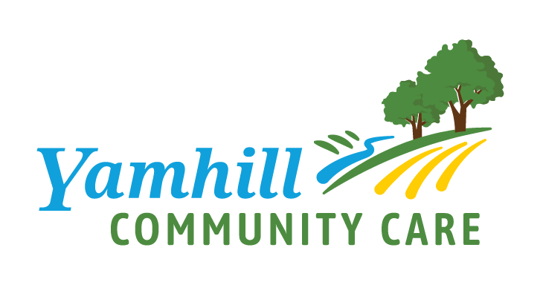
Community Capacity Building Grant Funding Request
Yamhill Community Care
Community Capacity Building Grant Funding Request
 |  |  |  | Legend
 |  |  |  | Yellow cells - require input
 | Applicant Organization Name |  | DATE SENT: | Gray cells - auto populate
 | Applicant Contact Name
 | Applicant Email Address |  |  | Blue cells- for CCO use only
 | Applicant Phone Number

BREAKDOWN BY HRSN Allowable Funding Domain

A | BUDGET REQUEST
 | Description of Item/Activity Requested, by Allowable Use Category | Budget Request | FOR CCO USE ONLY Approved Budget
1. | Technology (subtotal) | $- | $-

2. | Development of Operational and Business Practices (subtotal) | $- | $-

3. | Workforce Development (subtotal) | $- | $-

4. | Outreach, Engagement and Partner Convening (subtotal) | $- | $-

5 | Total Budget Request | $- | $-

B | CERTIFICATE
I certify to the best of my knowledge and belief that the budget outlined above is true, complete and accurate, and the funding items listed above are for the purposes and objectives set forth in the terms and conditions of the federal award. I am aware that any false, fictitious or fraudulent information, or the omission of any material fact, may subject me to criminal, civil or administrative penalties for fraud, false statements, false claims or otherwise.

 | PREPARED BY (Type Name and Title) |  | DATE

